Sheet1
PURCHASE ORDER |  |  |  |  |  | PT. LARA THALIA ABADI
PO NO | : 10018 |  |  | EVB |  | EVERBEST TOWER - CENGKARENG BUSINESS CITY TOWER M
 |  |  |  | NEW ARRIVAL |  | Jl. Atang Sanjaya no. 21 Benda - Tangerang Banten, Indonesia
DATE | : 19 May 2026 |  |  | JAKARTA |  | PHONE : 021 - 2252 9090
TO | : EDE |  |  | FALL 2026 |  | E-MAIL ADDRESS : buyer@everbestgroup.com

DESCRIPTION | DEVELOP CODE | STYLE NAME | COLOUR | QTY | COST | AMOUNT

 | 开发代码 | 款式名称 |  | 数量 | US$ | US$
EVB LADIES BAGS - SHOULDER BAG |  | IYAREN | BLACK | 200 | $17.93 | $3,586.00
 |  |  | BEIGE | 150 | $17.93 | $2,689.50
Material : PU |  |  | LIGHT GOLD | 80 | $17.93 | $1,434.40
Lining : FABRIC |  |  | MAROON | 80 | $17.93 | $1,434.40
 |  |  |  | 510 |  | $9,144.30

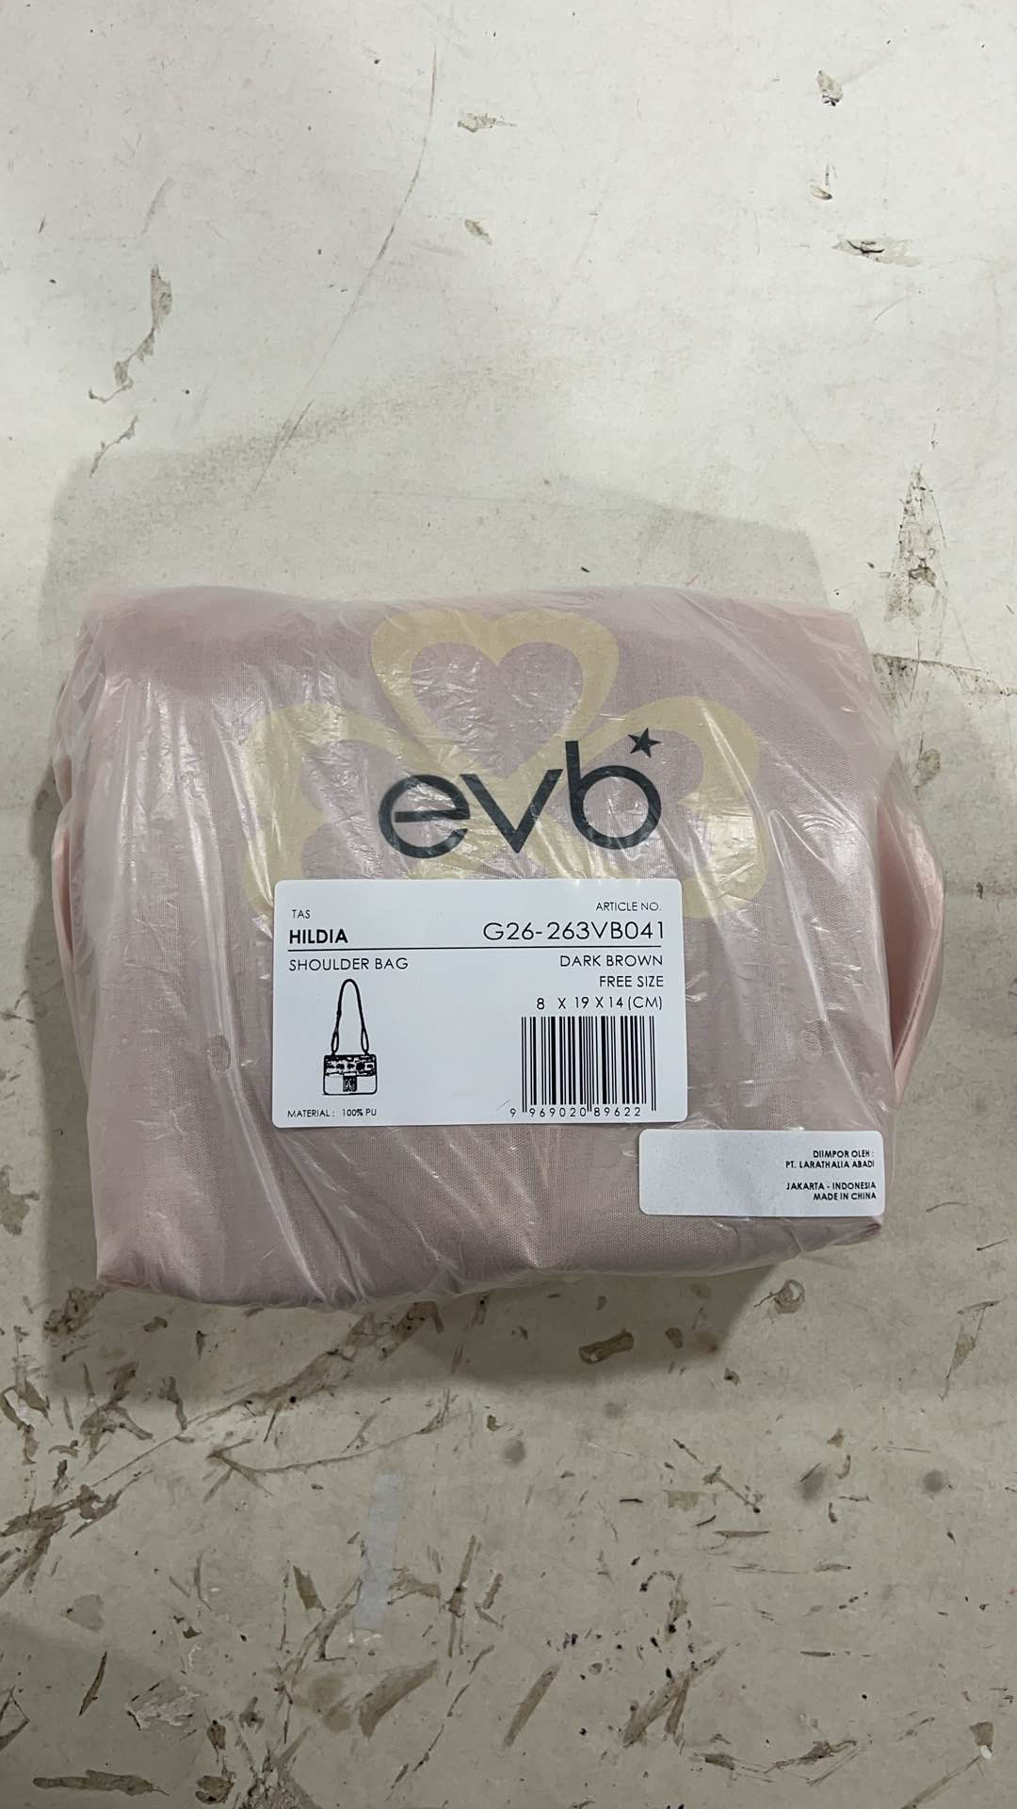
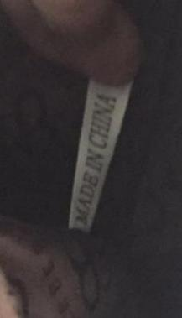
Delivery Date | 15-Jun-26 |  | BARCODE 请贴条码按照图片： | BAG CARD： | 请缝这个布标写“MADE IN CHINA"在内里布
交货日期
LOGO :
商标
TERM OF PAYMENT: | CREDIT

VH-JKT
请放这个卡在手袋里面
CARTON MARK ：
( 箱标志 )

PICTURE ( 图片 ):
0
IYAREN

BLACK |  | BEIGE |  | LIGHT GOLD |  | MAROON
PACKAGING 包装： |  |  |  |  |  | OTHER REMARKS:
 |  |  |  |  |  | 注意：
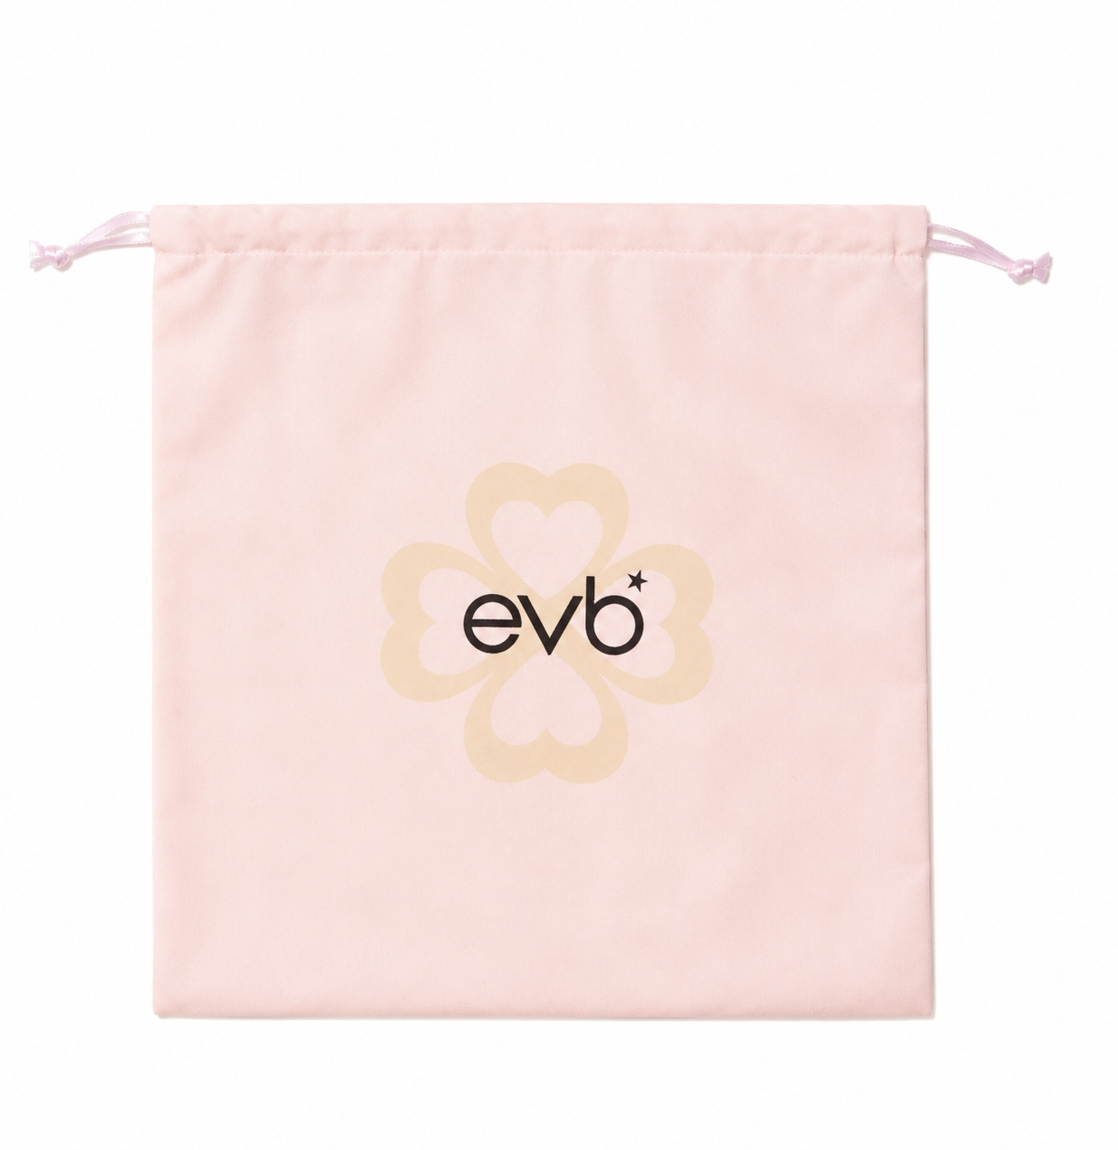
 |  |  |  |  |  | 1. Please give extra 5 straps for each color


 |  |  |  |  |  | 请配每个颜色多5件长肩带

 |  |  |  |  |  | 2. Please give extra accessories
 |  |  |  |  |  | 请给额外的配件

 |  |  |  |  |  | 3. Please double check with designer about colour and material choices

请用LTA胶带封箱 。请看图片

USING NEW DUSTBAG DESIGN

